Graphs
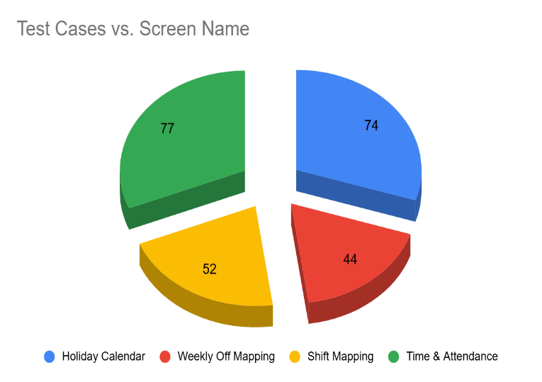
Screen Name | Test Cases
Holiday Calendar | 74
Weekly Off Mapping | 44
Shift Mapping | 52
Time & Attendance | 77

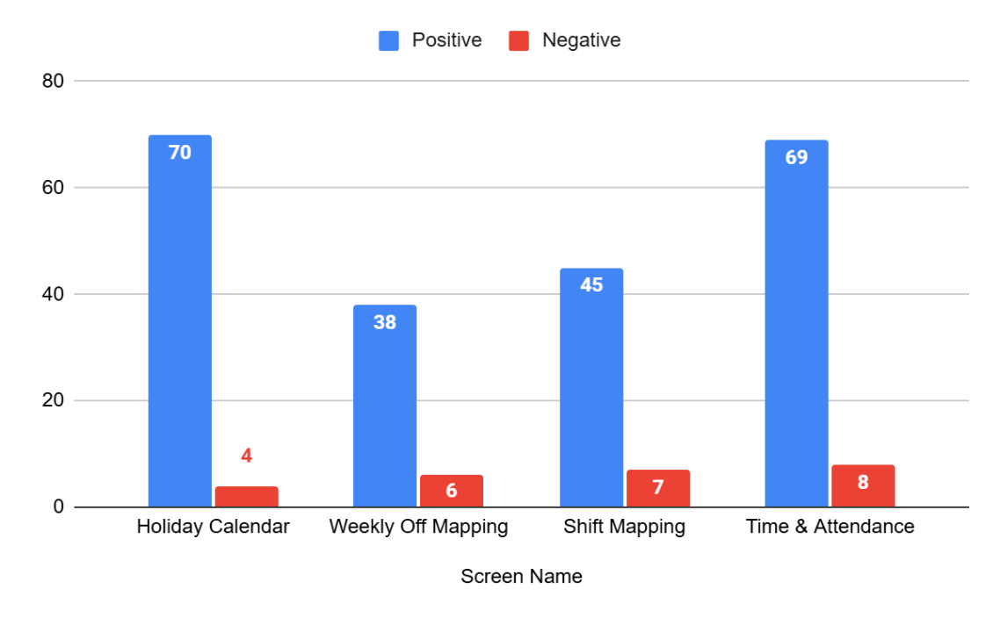
Screen Name | Positive | Negative

Holiday Calendar | 70 | 4
Weekly Off Mapping | 38 | 6
Shift Mapping | 45 | 7
Time & Attendance | 69 | 8

